Data Aug Details
Speaker | Layer Frozen | Training Loss Graph | Training Accuracy Graph | Accuracy | % Change from Normal

F05 | Augmented_F05_D3 | 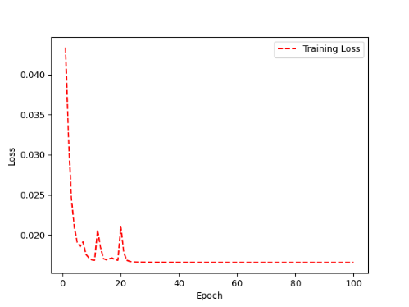 | 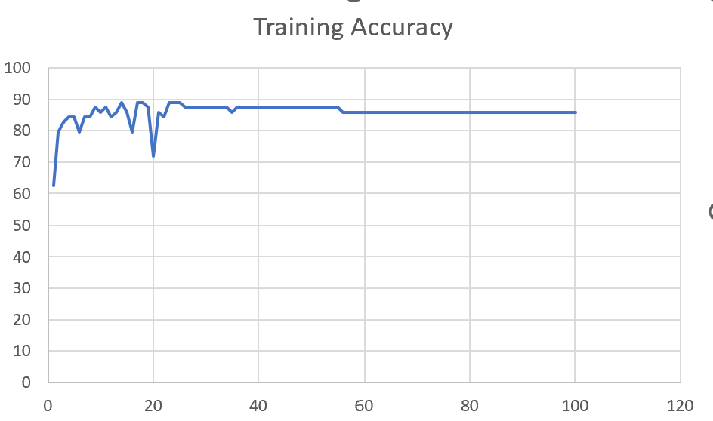 | 93 | 2

 | Augmented_F05_TE | 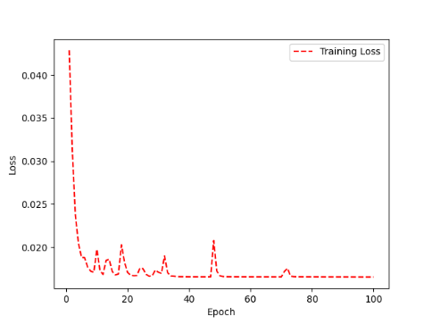 | 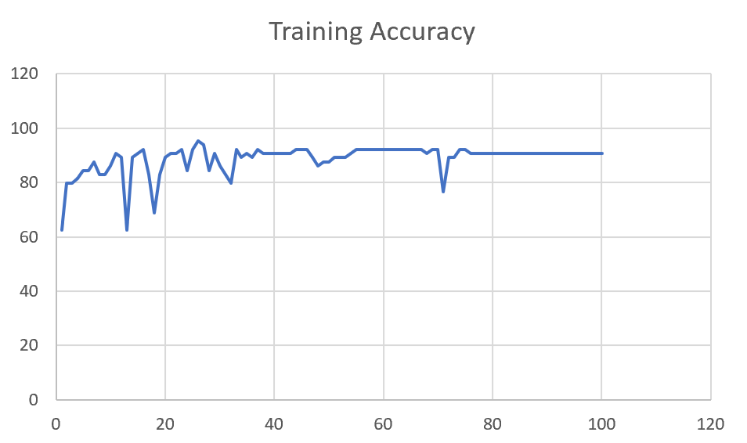 | 93 | 3

M08 | Augmented_M08_T3+D123 | 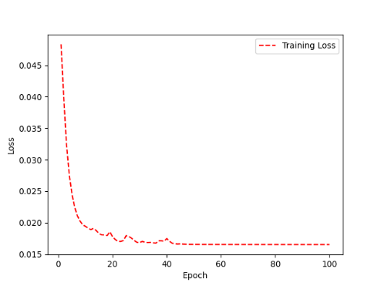 | 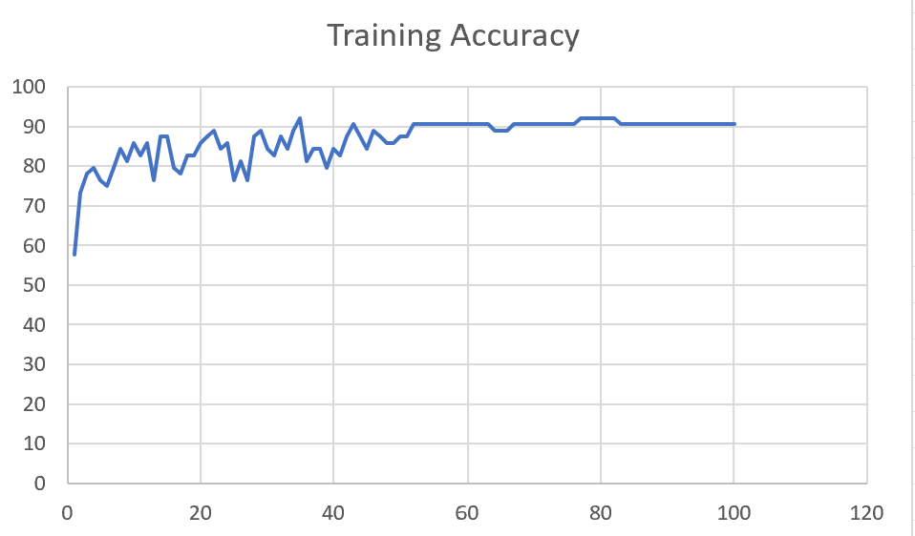 | 88 | 4

 | Augmented_M08_T3+D12 | 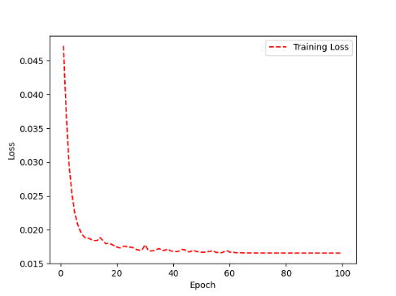 | 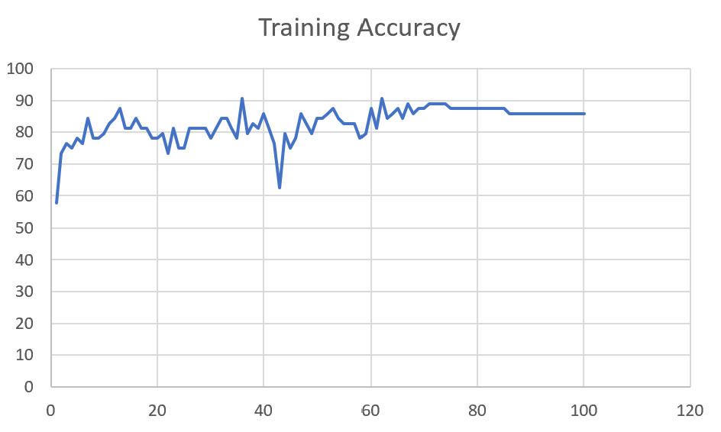 | 88 | 6

M10 | Augmented_M10_T3+D1 | 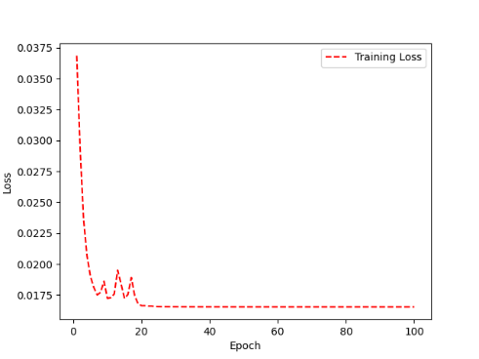 | 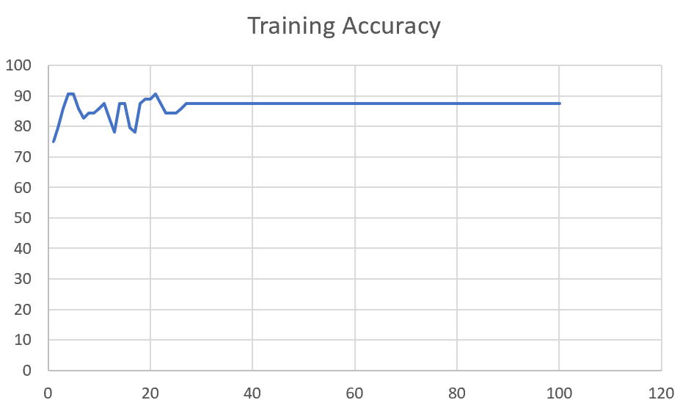 | 91 | -1

 | Augmented_M10_E1 | 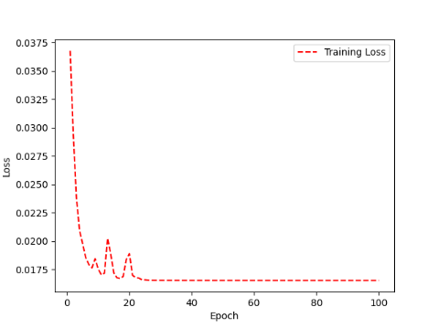 | 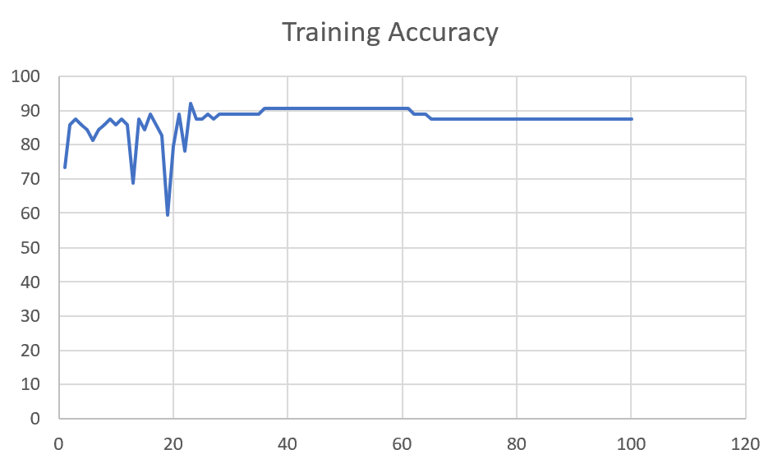 | 91 | 0

M14 | Augmented_M14_D3 | 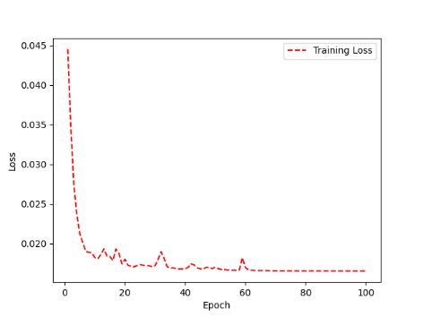 | 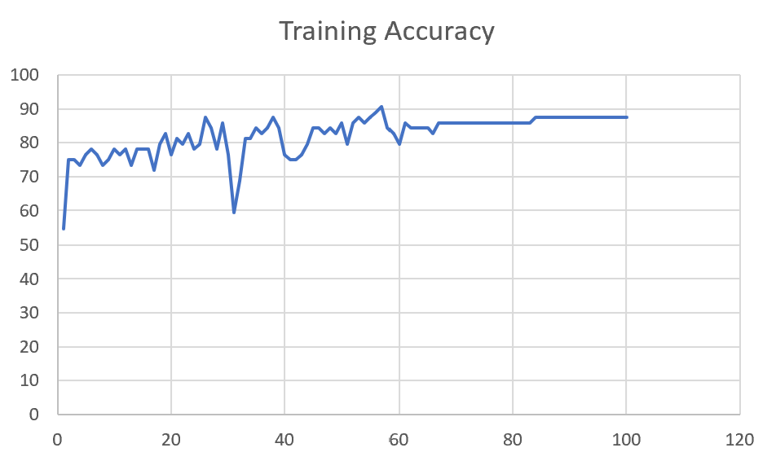 | 84

 | Augmented_M14_T3+D1 | 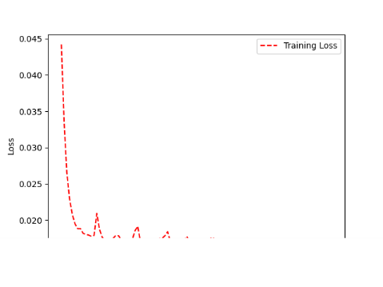 | 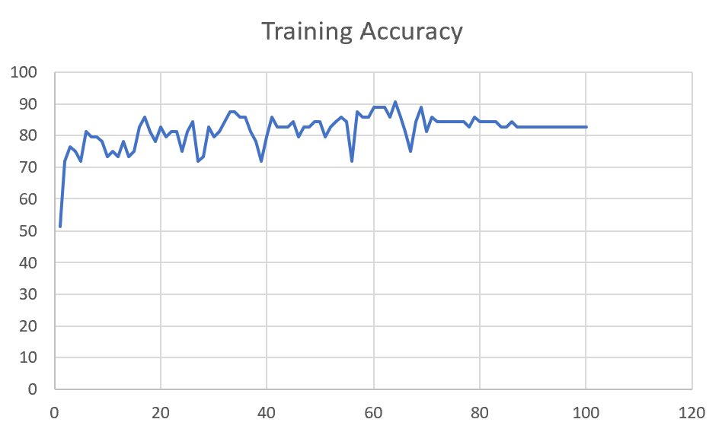 | 85

M09 | Augmented_M09_D3 | 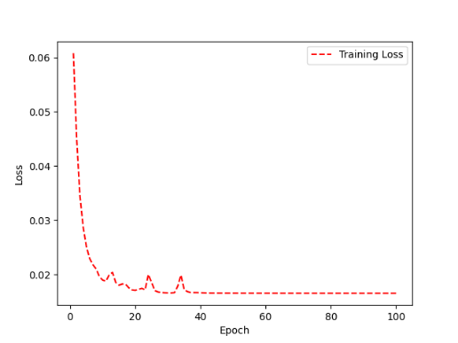 | 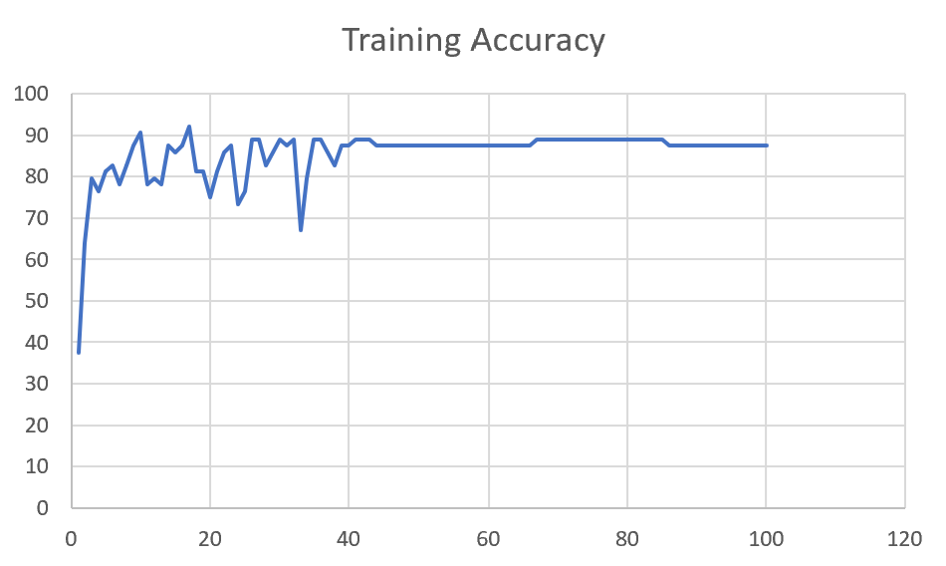 | 84

 | Augmented_M09_TE

Sheet1
 |  |  | Training Accuracy
0 | 0.625 | 1 | 37.5
1 | 0.359375 | 2 | 64.0625
2 | 0.203125 | 3 | 79.6875
3 | 0.234375 | 4 | 76.5625
4 | 0.1875 | 5 | 81.25
5 | 0.171875 | 6 | 82.8125
6 | 0.21875 | 7 | 78.125
7 | 0.171875 | 8 | 82.8125
8 | 0.125 | 9 | 87.5
9 | 0.09375 | 10 | 90.625
10 | 0.21875 | 11 | 78.125
11 | 0.203125 | 12 | 79.6875
12 | 0.21875 | 13 | 78.125
13 | 0.125 | 14 | 87.5
14 | 0.140625 | 15 | 85.9375
15 | 0.125 | 16 | 87.5
16 | 0.078125 | 17 | 92.1875
17 | 0.1875 | 18 | 81.25
18 | 0.1875 | 19 | 81.25
19 | 0.25 | 20 | 75
20 | 0.1875 | 21 | 81.25
21 | 0.140625 | 22 | 85.9375
22 | 0.125 | 23 | 87.5
23 | 0.265625 | 24 | 73.4375
24 | 0.234375 | 25 | 76.5625
25 | 0.109375 | 26 | 89.0625
26 | 0.109375 | 27 | 89.0625
27 | 0.171875 | 28 | 82.8125
28 | 0.140625 | 29 | 85.9375
29 | 0.109375 | 30 | 89.0625
30 | 0.125 | 31 | 87.5
31 | 0.109375 | 32 | 89.0625
32 | 0.328125 | 33 | 67.1875
33 | 0.203125 | 34 | 79.6875
34 | 0.109375 | 35 | 89.0625
35 | 0.109375 | 36 | 89.0625
36 | 0.140625 | 37 | 85.9375
37 | 0.171875 | 38 | 82.8125
38 | 0.125 | 39 | 87.5
39 | 0.125 | 40 | 87.5
40 | 0.109375 | 41 | 89.0625
41 | 0.109375 | 42 | 89.0625
42 | 0.109375 | 43 | 89.0625
43 | 0.125 | 44 | 87.5
44 | 0.125 | 45 | 87.5
45 | 0.125 | 46 | 87.5
46 | 0.125 | 47 | 87.5
47 | 0.125 | 48 | 87.5
48 | 0.125 | 49 | 87.5
49 | 0.125 | 50 | 87.5
50 | 0.125 | 51 | 87.5
51 | 0.125 | 52 | 87.5
52 | 0.125 | 53 | 87.5
53 | 0.125 | 54 | 87.5
54 | 0.125 | 55 | 87.5
55 | 0.125 | 56 | 87.5
56 | 0.125 | 57 | 87.5
57 | 0.125 | 58 | 87.5
58 | 0.125 | 59 | 87.5
59 | 0.125 | 60 | 87.5
60 | 0.125 | 61 | 87.5
61 | 0.125 | 62 | 87.5
62 | 0.125 | 63 | 87.5
63 | 0.125 | 64 | 87.5
64 | 0.125 | 65 | 87.5
65 | 0.125 | 66 | 87.5
66 | 0.109375 | 67 | 89.0625
67 | 0.109375 | 68 | 89.0625
68 | 0.109375 | 69 | 89.0625
69 | 0.109375 | 70 | 89.0625
70 | 0.109375 | 71 | 89.0625
71 | 0.109375 | 72 | 89.0625
72 | 0.109375 | 73 | 89.0625
73 | 0.109375 | 74 | 89.0625
74 | 0.109375 | 75 | 89.0625
75 | 0.109375 | 76 | 89.0625
76 | 0.109375 | 77 | 89.0625
77 | 0.109375 | 78 | 89.0625
78 | 0.109375 | 79 | 89.0625
79 | 0.109375 | 80 | 89.0625
80 | 0.109375 | 81 | 89.0625
81 | 0.109375 | 82 | 89.0625
82 | 0.109375 | 83 | 89.0625
83 | 0.109375 | 84 | 89.0625
84 | 0.109375 | 85 | 89.0625
85 | 0.125 | 86 | 87.5
86 | 0.125 | 87 | 87.5
87 | 0.125 | 88 | 87.5
88 | 0.125 | 89 | 87.5
89 | 0.125 | 90 | 87.5
90 | 0.125 | 91 | 87.5
91 | 0.125 | 92 | 87.5
92 | 0.125 | 93 | 87.5
93 | 0.125 | 94 | 87.5
94 | 0.125 | 95 | 87.5
95 | 0.125 | 96 | 87.5
96 | 0.125 | 97 | 87.5
97 | 0.125 | 98 | 87.5
98 | 0.125 | 99 | 87.5
99 | 0.125 | 100 | 87.5
<__main__.DisplayOutputs object at 0x7fd6d7740a00> | 0.125 | #VALUE! | 87.5
<__main__.DisplayOutputs object at 0x7fd6d7740a00> | 0.171875 | #VALUE! | 82.8125
<__main__.DisplayOutputs object at 0x7fd6d7740a00> | 0.125 | #VALUE! | 87.5
<__main__.DisplayOutputs object at 0x7fd6d7740a00> | 0.21875 | #VALUE! | 78.125
<__main__.DisplayOutputs object at 0x7fd6d7740a00> | 0.25 | #VALUE! | 75
<__main__.DisplayOutputs object at 0x7fd6d7740a00> | 0.09375 | #VALUE! | 90.625
<__main__.DisplayOutputs object at 0x7fd6d7740a00> | 0.171875 | #VALUE! | 82.8125
<__main__.DisplayOutputs object at 0x7fd6d7740a00> | 0.203125 | #VALUE! | 79.6875
<__main__.DisplayOutputs object at 0x7fd6d7740a00> | 0.1875 | #VALUE! | 81.25
<__main__.DisplayOutputs object at 0x7fd6d7740a00> | 0.140625 | #VALUE! | 85.9375
<__main__.DisplayOutputs object at 0x7fd6d7740a00> | 0.15625 | #VALUE! | 84.375
<__main__.DisplayOutputs object at 0x7fd6d7740a00> | 0.203125 | #VALUE! | 79.6875
<__main__.DisplayOutputs object at 0x7fd6d7740a00> | 0.109375 | #VALUE! | 89.0625
<__main__.DisplayOutputs object at 0x7fd6d7740a00> | 0.140625 | #VALUE! | 85.9375
<__main__.DisplayOutputs object at 0x7fd6d7740a00> | 0.171875 | #VALUE! | 82.8125
<__main__.DisplayOutputs object at 0x7fd6d7740a00> | 0.171875 | #VALUE! | 82.8125
<__main__.DisplayOutputs object at 0x7fd6d7740a00> | 0.16393442623 | #VALUE! | 83.606557377
<__main__.DisplayOutputs object at 0x7fcfe04bb910> | 0.640625
<__main__.DisplayOutputs object at 0x7fcfe04bb910> | 0.50819672131

